Axial Force Diagram
Cable
 |  | Cable Design Tension (MT) (kip) |  |  |  | Cable Parameter
Cable # | Length (ft) | DL | LL(MAX) | LL(MIN) | Total Tension | # of Strands | Cable Diameter(mm)
1 | 603 | 172 | 125.58 | 28.08 | 909.7 | 37 | 109.9
2 | 567 | 229 | 134.94 | 37.44 | 1320.5 | 37 | 109.9
3 | 532 | 229 | 134.94 | 37.44 | 1320.5 | 37 | 109.9
4 | 497 | 229 | 134.94 | 37.44 | 1320.5 | 37 | 109.9
5 | 461 | 229 | 134.94 | 37.44 | 1320.5 | 37 | 109.9
6 | 426 | 229 | 134.94 | 37.44 | 1320.5 | 37 | 109.9
7 | 391 | 229 | 134.94 | 37.44 | 1320.5 | 37 | 109.9
8 | 356 | 229 | 134.94 | 37.44 | 1320.5 | 37 | 109.9
9 | 320 | 229 | 134.94 | 37.44 | 1320.5 | 37 | 109.9
10 | 285 | 229 | 134.94 | 37.44 | 1320.5 | 37 | 109.9
11 | 250 | 229 | 134.94 | 37.44 | 1320.5 | 37 | 109.9
12 | 214 | 229 | 134.94 | 37.44 | 1320.5 | 37 | 109.9
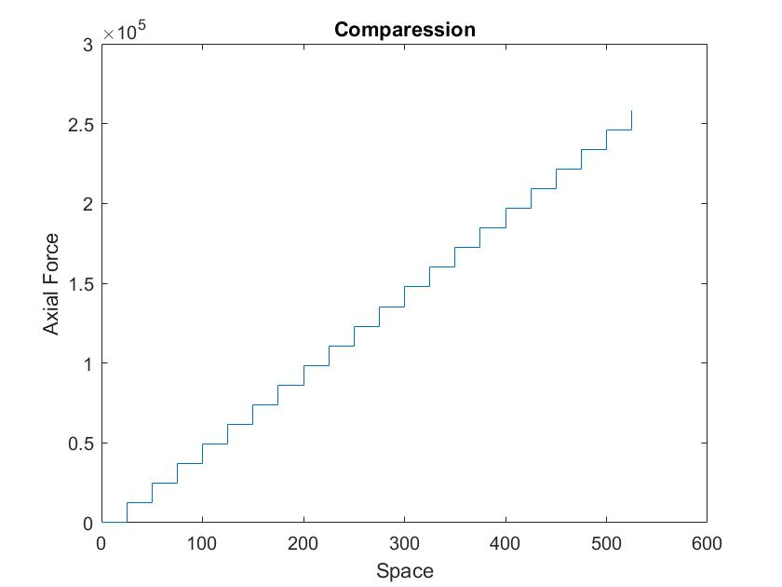
13 | 179 | 229 | 134.94 | 37.44 | 1320.5 | 37 | 109.9
14 | 144 | 229 | 134.94 | 37.44 | 1320.5 | 37 | 109.9
15 | 108 | 229 | 134.94 | 37.44 | 1320.5 | 37 | 109.9
16 | 73 | 229 | 134.94 | 37.44 | 1320.5 | 37 | 109.9
17 | 38 | 229 | 134.94 | 37.44 | 1320.5 | 37 | 109.9

Axial Force in Deck
Section # | x from left end (ft) | Cable Tension (kip) | Axial Compression (kip) | Edge Girder Size (top x side x thickness, in x in x in)
1 | 15 | 910 | 1689
2 | 45 | 900 | 3361 | 12" x 78" x 2"
3 | 75 | 900 | 4197
4 | 105 | 900 | 5034
5 | 135 | 900 | 5870 | 12" x 78" x 2"
6 | 165 | 900 | 6706
7 | 195 | 900 | 7542
8 | 225 | 900 | 8378 | 12" x 78" x 2"
9 | 255 | 900 | 9214
10 | 285 | 900 | 10050
11 | 315 | 900 | 10886 | 24" x 78"x 2"
12 | 345 | 900 | 11722
13 | 375 | 900 | 12558
14 | 405 | 900 | 13394 | 24" x 78"x 2"
15 | 435 | 900 | 14230
16 | 465 | 900 | 15066
17 | 495 | 900 | 15902 | 24" x 78"x 2"
 |  | * Add tandom load at first cable

